Cover
 |  | THE REPUBLIC OF THE GAMBIA
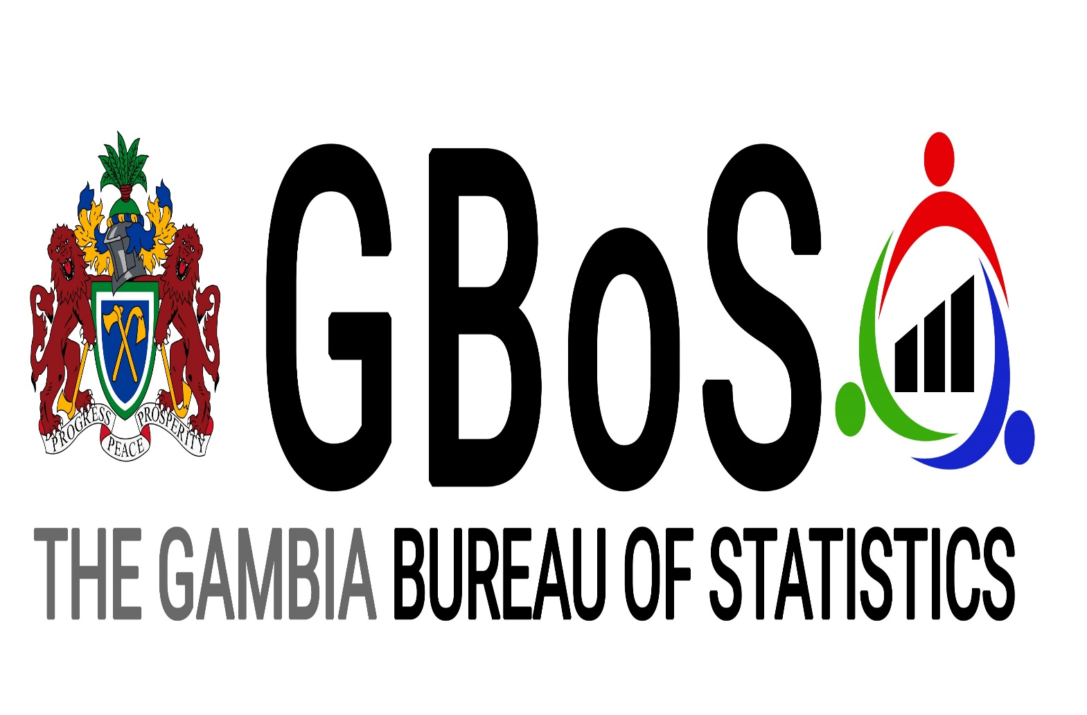
 | Gambia National Accounts Statistics Annual Bulletin

OUR PLEASURE
The Gambia Bureau of Statistics (GBOS) is very pleased to deliver to users the new Gross Domestic Product (GDP) estimates based on the 2013 Economic Census results. This replaces the previous GDP which was based on 2004 prices.
GDP estimates are presented by the production method.
For more details on the development of the 2013 benchmark, please contact the GBOS National Accounts Unit.

Rebased 2004-2018 Annual Gross Domestic Product

 |  | APRIL 2019

GAMBIA BUREAU OF STATISTICS, GBoS
https://www.gbosdata.org/

